工作表2
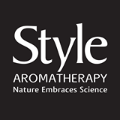
 | Style Aromatherapy

 | Special offer for HKLBA members

Date :
Name :
Club :
Telephone Number :
Delivery Address :

 | Item Name | Volume | Quantity | Retail Price @LOG-ON | Special Price for HKLBA members | Amount
 | Pro Hair Care Shampoo- Hair Loss Control | 400 ML |  | HK$83.00 | HK$60.00 | HK$-
 | Pro Hair Care Conditioner - Hair Loss Control | 400 ML |  | HK$83.00 | HK$60.00 | HK$-
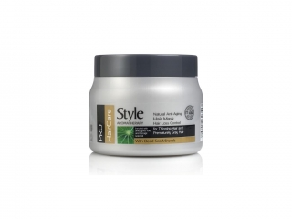 | Pro Hair Care Hair Mask - Hair Loss Control | 500 ML |  | HK$129.00 | HK$93.00 | HK$-
 | Ancient Secrets Shampoo - Moroccan Argan | 400 ML |  | HK$83.00 | HK$60.00 | HK$-
 | Ancient Secrets Conditioner - Moroccan Argan | 400 ML |  | HK$83.00 | HK$60.00 | HK$-
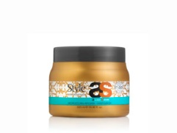 | Ancient Secrets Hair Mask - Moroccan Argan | 500ML |  | HK$129.00 | HK$93.00 | HK$-
 | Ancient Secrets Shampoo - Keratin | 400 ML |  | HK$83.00 | HK$60.00 | HK$-
 | Ancient Secrets Conditioner - Keratin | 400 ML |  | HK$83.00 | HK$60.00 | HK$-
 | Ancient Secrets Hair Mask - Keratin | 500 ML |  | HK$129.00 | HK$93.00 | HK$-
 |  |  |  |  | TOTAL | HK$-

 | Minimum order for free delivery is HK$200
 | Free delivery to HK destinations, both business and residentail addresses, except outlying islands and remote areas
 | Please send order to taks_marketing@hotmail.com or fax number 3014 6399
 | Please call 6303 2298 for any queries
 | Payment to be by credit card through Paypal or bank transfer after we send you the invoice

 | One free Hair Loss Control Shampoo 100ml travel pack for every $100 spent

 | Offer valid until June 19, 2015

